Pivot Tables
 |  |  |  |  | Training Data Set from Kaggle Titanic Competition

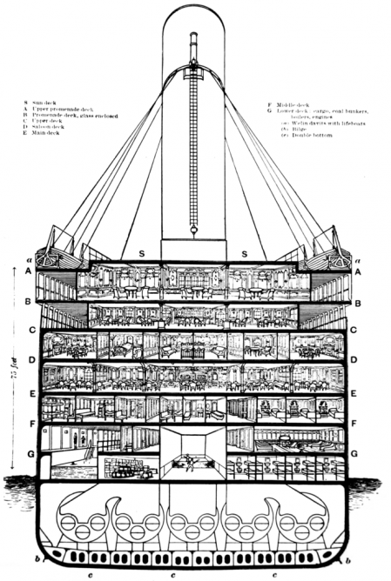
 | Values |  |  | An interesting finding: The highest percentage of survivors embarked from Cherbourg (~55%). The question begs to be asked, did everyone from Cherbourg know each other and were more willing to help fellow passengers, or is it coincidence that people who started at this point are natural survivors? |  |  | Values |  |  | Cabin Levels "B"(Bridge Deck, was the top weight-bearing deck and the uppermost level of the hull), "D" (Saloon/1st Class Dining) and "E"(Upper Deck) had the highest percentage of survivors.
Row Labels | Number Survived | Total Number of Passengers | % Survived |  |  | Cabin Level | Number Survived | Total Number of Passengers | % Survived
Cherbourg | 93 | 168 | 55.36% |  |  |  | 206 | 687 | 29.99%
Queenstown | 30 | 77 | 38.96% |  |  | A | 7 | 15 | 46.67%
Southampton | 217 | 644 | 33.70% |  |  | B | 35 | 47 | 74.47%
Unknown | 2 | 2 | 100.00% |  |  | C | 35 | 59 | 59.32%
Grand Total | 342 | 891 | 38.38% |  |  | D | 25 | 33 | 75.76%
 |  |  |  |  |  | E | 24 | 32 | 75.00%
 |  |  |  |  |  | F | 8 | 13 | 61.54%
 |  |  |  |  |  | G | 2 | 4 | 50.00%
 |  |  |  |  |  | T | 0 | 1 | 0.00%
 |  |  |  |  |  | Grand Total | 342 | 891 | 38.38%

